9TH NUMERICAL
 | NUMERICAL ABILITY

 | Direction: Below are list of 20 Question, Read the Question carefully and shade the correct answer on the sheet provided.
 | Time: 15 Min
Question No |  | Option 1 | Option 2 | Option 3 | Option 4 | Figure | Answers

1 | In the star shape shown in figure , the sum of the angles marked at the corners A , B , C , D , E is | 90 0 | 135 0 | 180 0 | 140 0 | 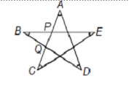 | C
2 | An acute angle is an angle whose measure is between 0 0 and 90 0 . Using the rays in the diagram , how many different acute angles can be formed ? | 12 | 9 | 15 | 10 |  | D
3 | The age of a man is same as his wife's age with the digits reversed . The sum of their ages is 99 and the man is 9 years older than his wife . How old is the man ? | 50 | 49 | 54 | 44 |  | C
4 | 50 students from a certain colony attend a public school . With the help of the given pie-chart , find the total number of students who walk to school. | 12 | 10 | 18 | 8 | 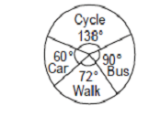 | B
5 | Total area of quadrilateral ABCD is 20cm 2 and offsets on BD are 2cm and 3cm . The length of BD is | 5cm | 6cm | 8cm | 10cm | 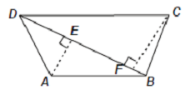 | C
6 | In the adjoining figure , AOB and COD are the diameters of a circle. If ∠ADO =55 0 then ∠OCB is |  |  | 55 0 | 35 0 | 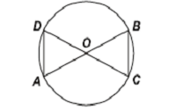 | C
7 | How many small cubes with edges of 10cm can be just accommodated in a cubical box of 1m edge ? | 10 | 100 | 1000 | 10000 |  | C
8 | A cylinder and a cone have the same height and the same radius of the base . The ratio between the volumes of the cylinder and the cone is |  |  |  |  |  | B
9 | What is the volume of the rectangular solid shown below ? | 10 cubic cm | 25 cubic cm | 30 cubic cm | 62 cubic cm | 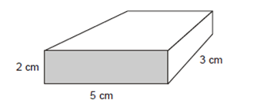 | C
10 | what is the value of x if -3x+2=-7? | x= -6 | x= -3 | x= 3 | x =6 |  | C
11 | What is the area of trapezoid QRST in square units ? | 22 | 27 | 38 | 48 | 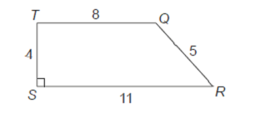 | C
12 | Mr. Gupta made a scale drawing of his office . 1/2cm =3m The width of the scale drawing of the office is 2cm . What is the actual width , in metres , of Mr. Gupta's office ? | 3 | 6 | 9 | 12 | 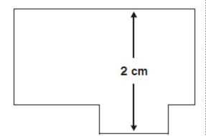 | D
13 | Which property is used in the equation given below ? 12(x+4) = 12x +48 | Associative Property of Addition | Commutative Property of Addition | Distributive Property | Reflexive Property |  | C
14 | Which of the following equation illustrates the inverse property of multiplication ? | 5*1/5=1 | 5*1 =5 | 5*0=0 | 5*5=25 |  | A
15 | A right triangle's hypotenuse has length 5units . If one leg has length 2units , what is the length of the other leg ? | 3 |  |  | 7 |  | B
16 | The sum of a number (n) and 14 is 72 . Which equation shows this relationship ? | 14+n =72 | 72n =14 | 14-n =72 | 72+n =14 |  | A
17 | O is the centre of the circle . Find the value of x? | 45 | 90 | 60 | 30 | 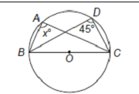 | A
18 | Dennis the Menace is thinking of two numbers . Their greatest commom factor is 6 . Their least common multiple is 36. One of the two numbers is 12 . What is the other number ? | 18 | 16 | 6 | 24 |  | A
19 | Farmer Ramu put a square fence around his vegetable garden to keep the deer from eating his corn . One side was 10m in length . If the posts were placed 2m apart , how many posts did he use ? | 16 | 20 | 10 | 15 |  | B
20 | Anita passed around a basket of strawberries to the girls at her party .Before the party she ate 5 strawberries and gave a friend 3. Eight girls arrived at the party . The first girl took a strawberry, the second girl took 3 strawberries , the third girl took 5 strawberries and so on . After the last girl took her strawberries , the basket was empty . How many strawberries were there in the basket at the beginning | 72 | 60 | 65 | 45 |  | A

SPATIAL ABILITY
 | SPATIAL ABILITY
 | Direction: The Shapes in Group 1and Group 2 are identical, although some of them may be rotated. Which shape in Group 2 corresponds to the shape (1 to 20) in Group 1?
 | Time: 15 Min
Question No |  | Option 1 | Option 2 | Option 3 | Option 4 |  | Answer
1 | In the following figures, one of the shapes (A-D) is identical to the first figure but has been rotated? Which figure is identical to the first? | Fig A | Fig B | Fig C | Fig D |  | B
2 | Which figure is identical to the first? | Fig A | Fig B | Fig C | Fig D |  | A
3 | Which figure is identical to the first? | Fig A | Fig B | Fig C | Fig D |  | C
4 | Which of the Answer Figures is a rotation of the Question Figure? | Fig A | Fig B | Fig C | Fig D | 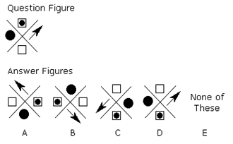 | C
5 | Which two pictures are identical? | AB | BD | CE | DE |  | C
6 | Which of the patterns when folded will make the cube shown? | Fig A | Fig B | Fig C | Fig D | 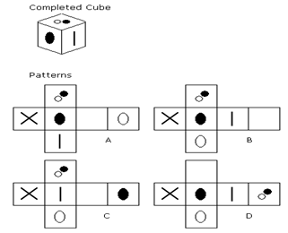 | D
7 | Which of the Figures(A-D) is a rotation of the Question Figure? | Fig A | Fig B | Fig C | Fig D |  | B
8 | Which of the Figures(A-D) is a rotation of the Question Figure? | Fig A | Fig B | Fig C | Fig D |  | C
9 | Which figure is odd one out? | Fig A | Fig B | Fig C | Fig D |  | A
10 | Which figure is odd one out? | Fig A | Fig B | Fig C | Fig D |  | C

 | Direction: From Question (11 – 20). The Shapes given in the question correspond to a figure as given in the group 2 Figures are identical, although some of them may be rotated. Which shape in Group 2 corresponds to the shape in the question . Write that letter in the answer
11 |  |  |  |  |  | 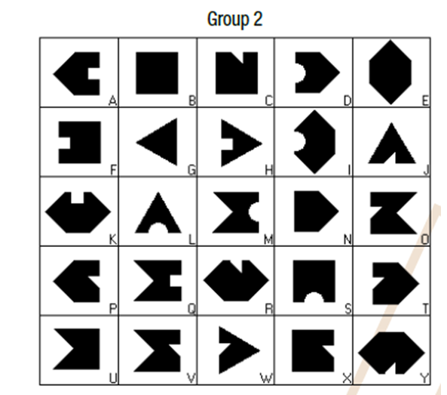 | N
12 |  |  |  |  |  |  | Q
13 |  |  |  |  |  |  | T
14 |  |  |  |  |  |  | F
15 |  |  |  |  |  |  | X
16 |  |  |  |  |  |  | H
17 |  |  |  |  |  |  | P
18 |  |  |  |  |  |  | D
19 |  |  |  |  |  |  | A
20 |  |  |  |  |  |  | S

